1
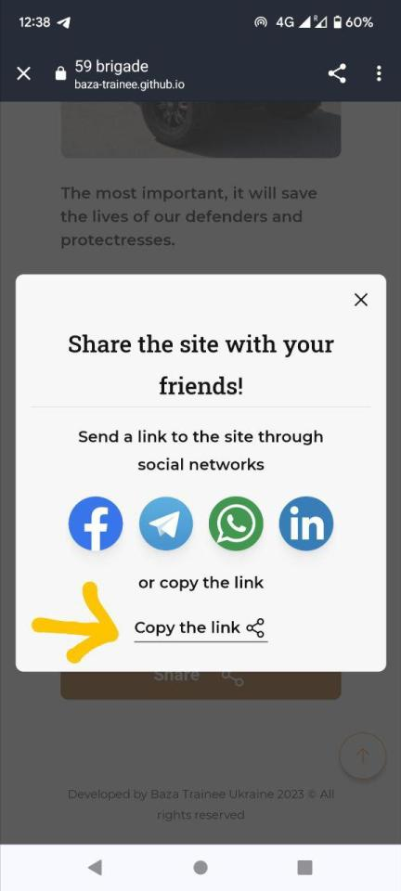
ID | #1
Reporter: | Anastasia Korzh | Assignee: | Stanislav Gusev | Status: | done
Type: | Functional | Severity: | Major | Priority: | High
Environment | Google Pixel 6 / Android 12 /Google Chrome v. 117.0.5938.140
Summary: | Donate link in the share with friends modal window doesn't work (in mobile version)
Pre-conditions:
1 | Precondition: open the website https://baza-trainee.github.io/winter-vechicles-landing-page/
Steps to reproduce:
1 | Scroll down the screen to the Share button
2 | Click the Share button
3 | In the modal window that opens, click "Copy to Link".
4
Actual result:
the link is not working
Expected result:
When you click the link, the link is copied and the user is notified that the link has been copied.

2
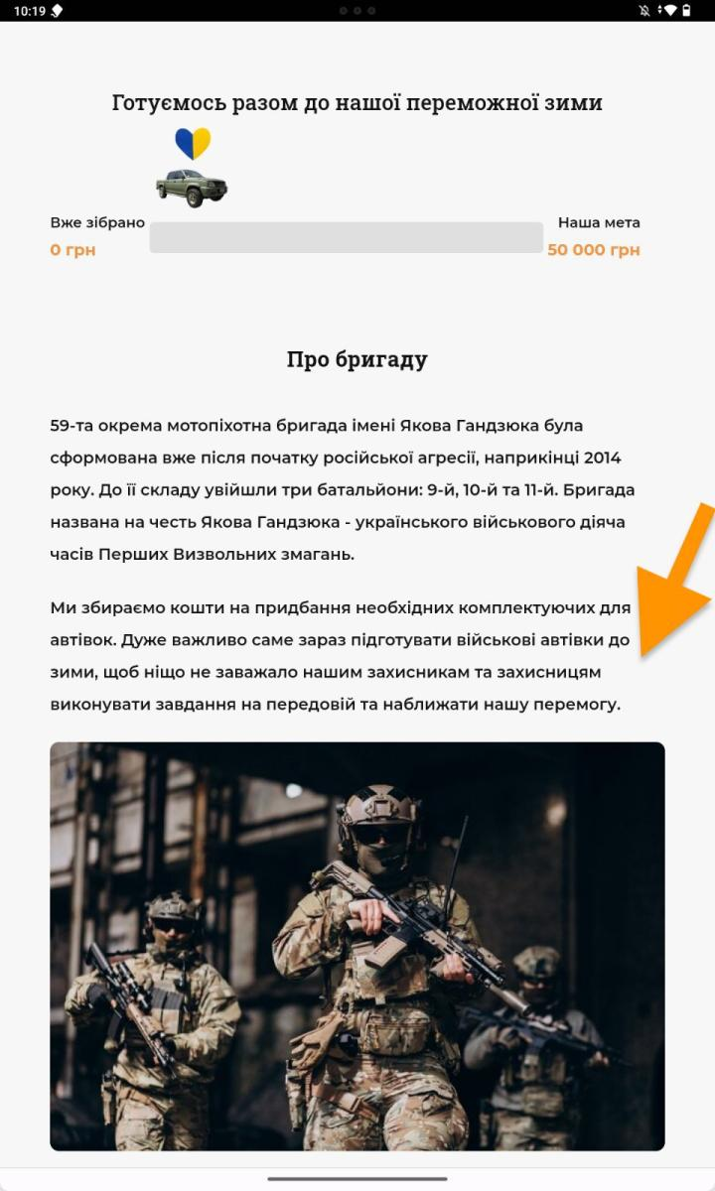
ID | #2
Reporter: | Anastasia Korzh | Assignee: | Stanislav Gusev | Status: | done
Type: | UI | Severity: | Minor | Priority: | low
Environment | Lenovo TB128FU , Android 13 Google Chrome v. 117.0.5938.140
Summary: | The text "about the brigade" in Ukrainian language is not aligned with the picture and does not match the layout
Pre-conditions:
1 | Precondition: open the website https://baza-trainee.github.io/winter-vechicles-landing-page/
2 | select Ukrainian language
Steps to reproduce:
1 | 1 scroll the page to the section about the team
Actual result:
the text on Ukrainian language has more space on the side than in the layout
Expected result:
text width corresponds to the layout

Attachments:
Additional info: bug reproduce in Lenovo TB128FU , Android 13 , v.Mozilla 118.2.0
link to layout https://www.figma.com/file/dBh4r5HZ4H0zFA37aTNpNY/winter-vechicles-project?type=design&node-id=0-1&mode=design&t=X1WMgqjmH0dhiUAd-0

3
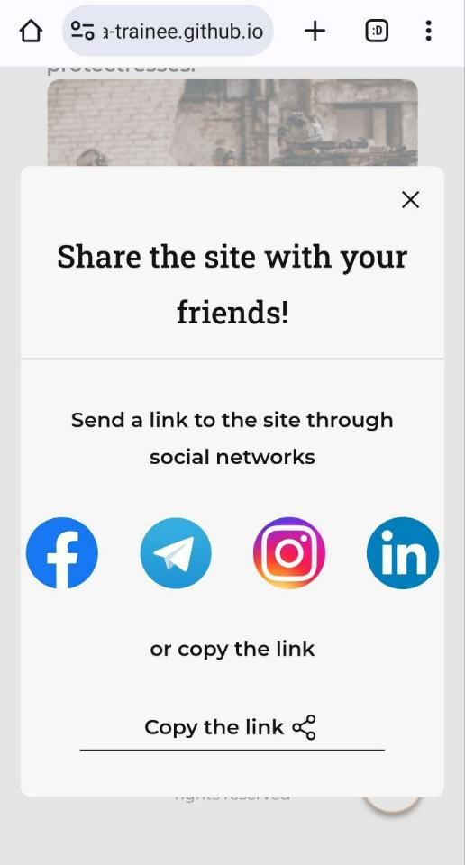
ID | #3
Reporter: | Laura | Assignee: | Stanislav Gusev | Status: | done
Type: | UI | Severity: | Minor | Priority: | low
Environment | Android 13 Google Chrome 117.0.5938.156
Summary: | Distance between icons does not match the layout
Pre-conditions:
1 | Precondition: open the website https://baza-trainee.github.io/winter-vechicles-landing-page/
Steps to reproduce:
1 | Scroll down to the footer
2 | Click on ‘Share’
Actual result:
Distance between icons don’t correspond according to layout
Expected result:
Distance between icons correspond according to layout
Attachments:
Additional info:
link to layout https://www.figma.com/file/dBh4r5HZ4H0zFA37aTNpNY/winter-vechicles-project?type=design&node-id=0-1&mode=design&t=X1WMgqjmH0dhiUAd-0

4
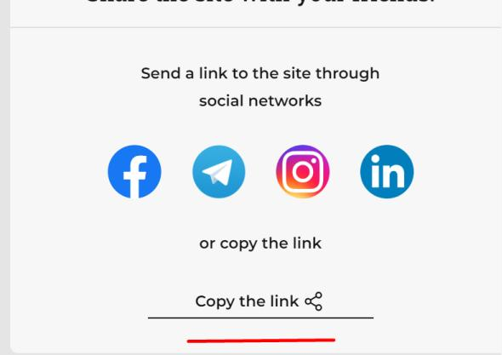
ID | #4
Reporter: | Laura | Assignee: | Stanislav Gusev | Status: | done
Type: | UI | Severity: | Minor | Priority: | low
Environment | Windows 11 / Microsoft Edge Version 118.0.2088.46
Summary: | Underline behind the button 'Copy the link' is too long
Pre-conditions:
1 | Precondition: open the website https://baza-trainee.github.io/winter-vechicles-landing-page/
Steps to reproduce:
1 | Scroll down to the footer
2 | Click on ‘Share’
Actual result:
Underline behind the button 'Copy the link' is too long
Expected result:
Underline behind the button 'Copy the link' is according to layout
Attachments:
Additional info: The bug is duplicated in all browsers on Windows 11
link to layout https://www.figma.com/file/dBh4r5HZ4H0zFA37aTNpNY/winter-vechicles-project?type=design&node-id=0-1&mode=design&t=X1WMgqjmH0dhiUAd-0

5
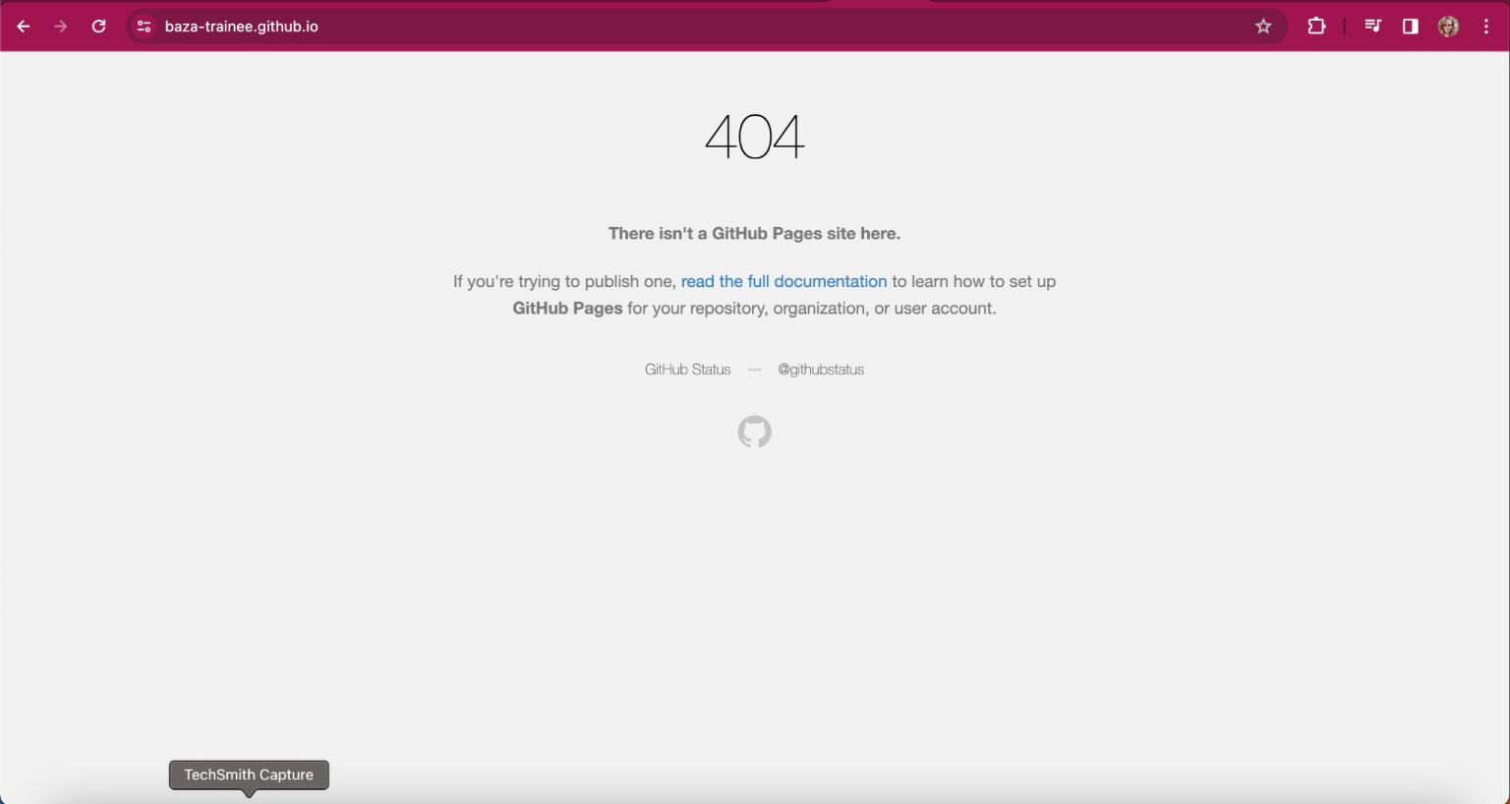
ID | #5
Reporter: | Anastasia Korzh | Assignee: | Stanislav Gusev | Status: | done
Type: | Functional | Severity: | Major | Priority: | High
Environment | MacOS Ventura 13.2.1 , Google Chrome v. 116.0.5845.187
Summary: | Сlicking on the logo opens a page with error 404
Pre-conditions:
1 | Precondition: open the website https://baza-trainee.github.io/winter-vechicles-landing-page/
Steps to reproduce:
1 | click on the company logo
Actual result:
404 error page opens in place of the active page
Expected result:
when clicking on the logo, the user remains on the open main page
Attachments:
Additional info: The bug is duplicated in all browsers on Windows 11

6
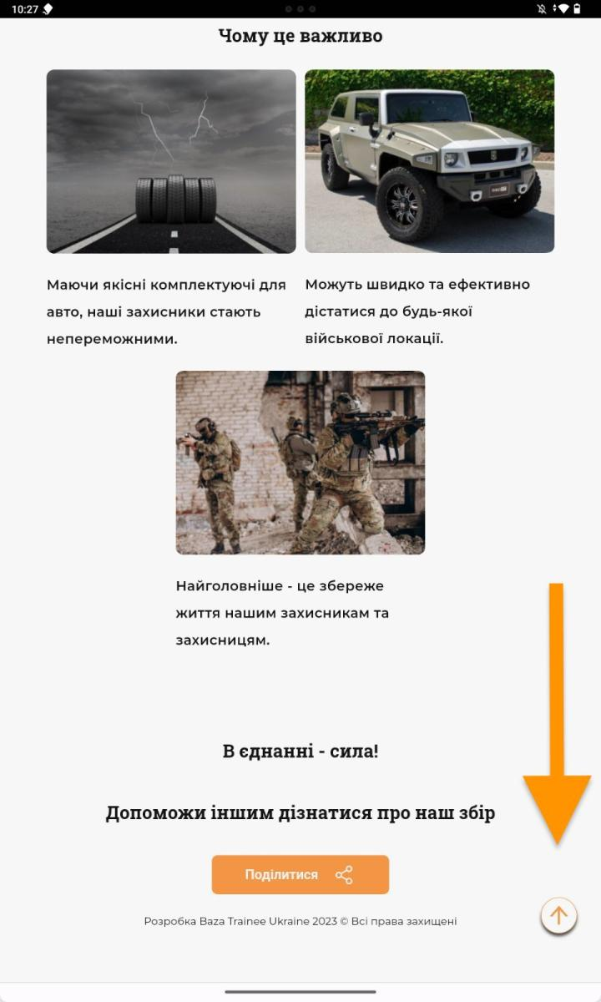
ID | #6
Reporter: | Anastasia Korzh | Assignee: | Екатерина Лесняк | Status: | done
Type: | Functional | Severity: | Major | Priority: | Medium
Environment | Lenovo TB128FU , Android 13 ,Google Chrome v. 117.0.5938.153
Summary: | The size of the "scroll up" button on the tablet does not match the layout
Pre-conditions:
1 | Precondition: open the website https://baza-trainee.github.io/winter-vechicles-landing-page/
Steps to reproduce:
1 | scroll down the page
Actual result:
the size of the "lift up" button is smaller than in the layout, which makes it difficult to press it on the tablet version

Expected result:
the size of the "scroll up" button corresponds to the layout for the tablet version
Attachments:
Additional info: the bug is also reproduced in other browsers on the tablet
link to layout https://www.figma.com/file/dBh4r5HZ4H0zFA37aTNpNY/winter-vechicles-project?type=design&node-id=0-1&mode=design&t=X1WMgqjmH0dhiUAd-0

8
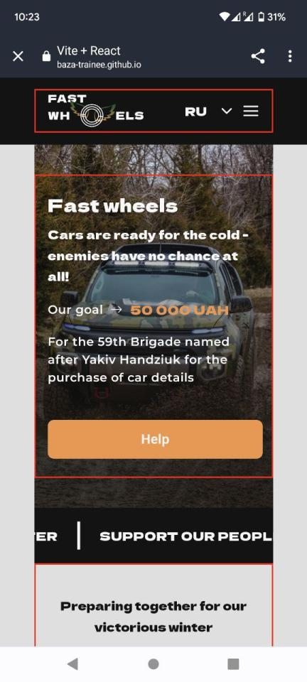
ID | #8
Reporter: | Anastasia Korzh | Assignee: | Екатерина Лесняк | Status: | done
Type: | UI | Severity: | Minor | Priority: | High
Environment | Google Pixel 6 , Android 12 , Opera v. 77.5.4095.75179
Summary: | Mobile version does not match the design
Pre-conditions:
1 | Precondition: open the website https://baza-trainee.github.io/winter-vechicles-landing-page/
Steps to reproduce:
1 | Watch the "Hero"
Actual result:
Hero does not stretch to full screen width

Expected result:
Hero stretches to full screen width
Attachments:
Additional info: 1) in horizontal orientation, Hero has small bezels on the sides 2) The bug is duplicated on the iPhone 12 Pro.
link to layout https://www.figma.com/file/dBh4r5HZ4H0zFA37aTNpNY/winter-vechicles-project?type=design&node-id=0-1&mode=design&t=X1WMgqjmH0dhiUAd-0

9
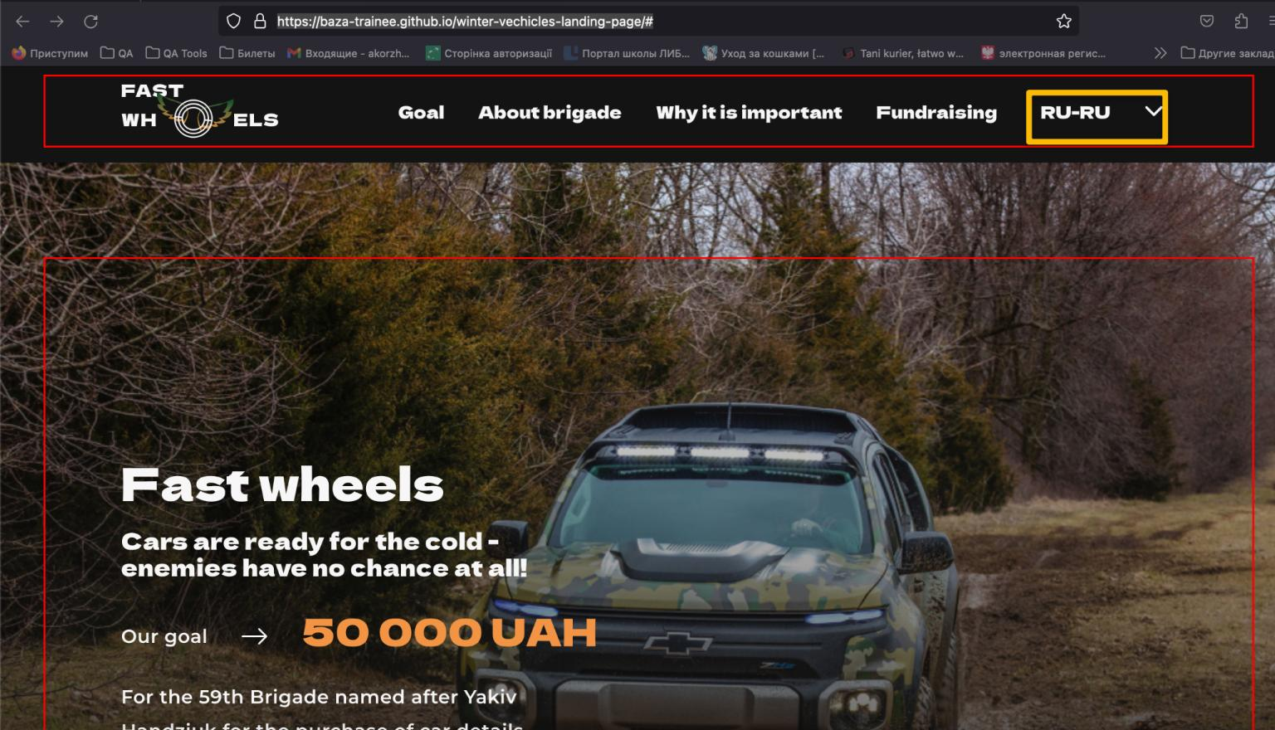
ID | #9
Reporter: | Anastasia Korzh | Assignee: | Екатерина Лесняк | Status: | done
Type: | UI | Severity: | Major | Priority: | High
Environment | MacOS Ventura 13.2.1 , Google Chrome v. 116.0.5845.187
Summary: | Incorrect display of the language icon when opening the website
Pre-conditions:
1 | Precondition: open the website https://baza-trainee.github.io/winter-vechicles-landing-page/
Steps to reproduce:
1 | 1 in the header, pay attention to the icons with languages
Actual result:
Displayed UK-UA or RU-RU or only UA

Expected result:
when you open the site, the language icon is displayed EN

Attachments: | https://docs.google.com/document/d/1VUexXPEgmxSvKtXuKamdLCt8nGiX_fZF/edit?usp=sharing&ouid=116659444275597693685&rtpof=true&sd=true
Additional info: The bug is reproduced on 1 Google Pixel 6 , Android 12 Google Chrome v. 117.0.5938.140 2 macOS Ventura 13.2.1 Firefox 118.0.1 3 Tablet Lenovo TB128FU , Android 12 ,Google Chrome v. 116.0.5845.172 4 Windows 10 , Google Chrome v. 118.0.5993.70 (Official Build), (64 bit)
link to layout https://www.figma.com/file/dBh4r5HZ4H0zFA37aTNpNY/winter-vechicles-project?type=design&node-id=0-1&mode=design&t=X1WMgqjmH0dhiUAd-0

10
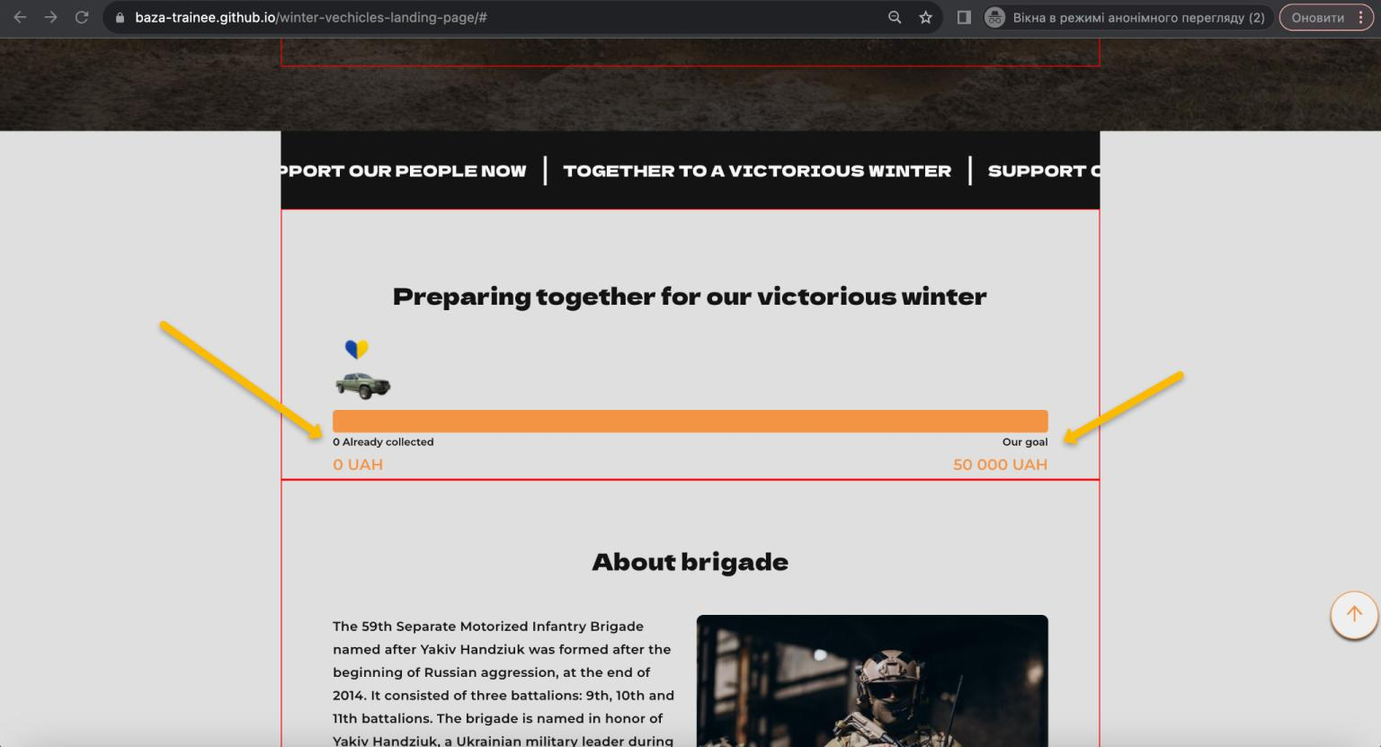
ID | #10
Reporter: | Anastasia Korzh | Assignee: | Stanislav Gusev | Status: | done
Type: | UI | Severity: | Minor | Priority: | low
Environment | MacOS Ventura 13.2.1 , Google Chrome v. 116.0.5845.187
Summary: | The money counting line does not correspond to the layout
Pre-conditions:
1 | Precondition: open the website https://baza-trainee.github.io/winter-vechicles-landing-page/
Steps to reproduce:
1 | Pay attention to the line for counting the funds
Actual result:
the text and counting line does not match the layout
Expected result:
the line for counting the funds consistent with the layout
Attachments: | link to layout https://www.figma.com/file/dBh4r5HZ4H0zFA37aTNpNY/winter-vechicles-project?type=design&node-id=0-1&mode=design&t=X1WMgqjmH0dhiUAd-0
Additional info: the bug is reproduced on all devices and all browsers

11
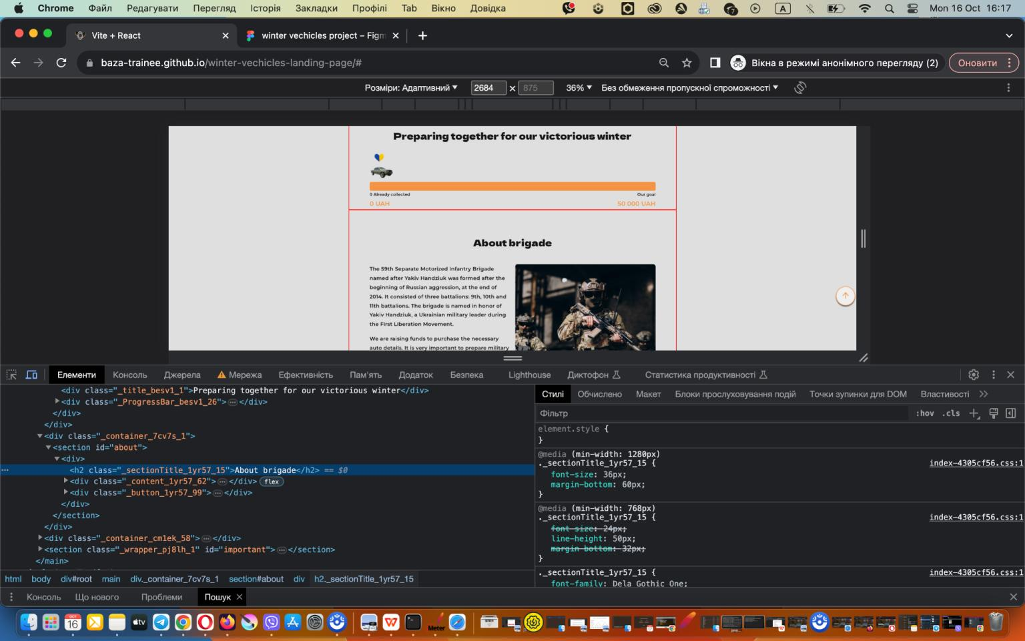
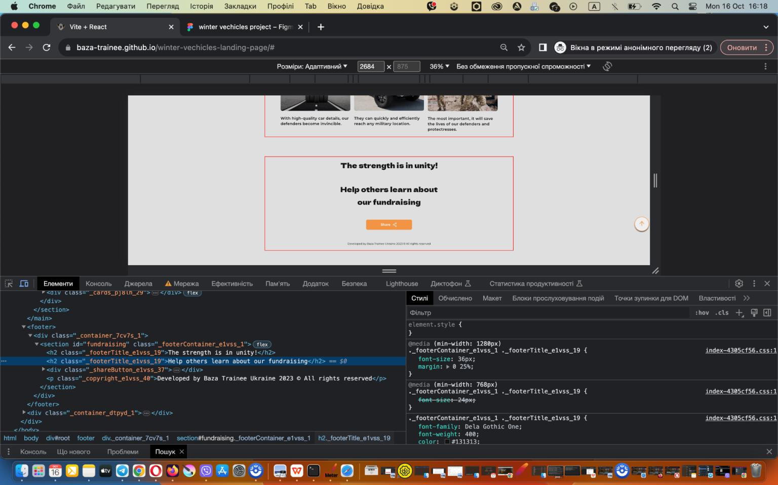
ID | #11
Reporter: | Anastasia Korzh | Assignee: | Stanislav Gusev | Status: | done
Type: | UI | Severity: | Minor | Priority: | low
Environment | MacOS Ventura 13.2.1 , Google Chrome v. 116.0.5845.187
Summary: | Non-compliance of fonts on the website according to the layout
Pre-conditions:
1 | Precondition: open the website https://baza-trainee.github.io/winter-vechicles-landing-page/
Steps to reproduce:
1 | Pay attention in Tabs
2 | Pay attention in Hero to the text “Fast Wheel” and“ Cars are ready for the cold - enemies have no chance at all! “
3 | Pay attention in “Call to action”
4 | Pay attention in “Preparing together for our victorious winter”
5 | Pay attention in “About brigade”
6 | Pay attention in “Why it is important”
7 | In Footer Pay attention in “The strength is in unity!” and “Help others learn about our fundraising”
Actual result:
texts in the Hero, Tabs, and main section titles do not match the layout
Expected result:
all texts are consistent with the layout
Attachments:
Additional info: the bug is reproduced on all devices and all browsers
link to layout https://www.figma.com/file/dBh4r5HZ4H0zFA37aTNpNY/winter-vechicles-project?type=design&node-id=0-1&mode=design&t=X1WMgqjmH0dhiUAd-0

13
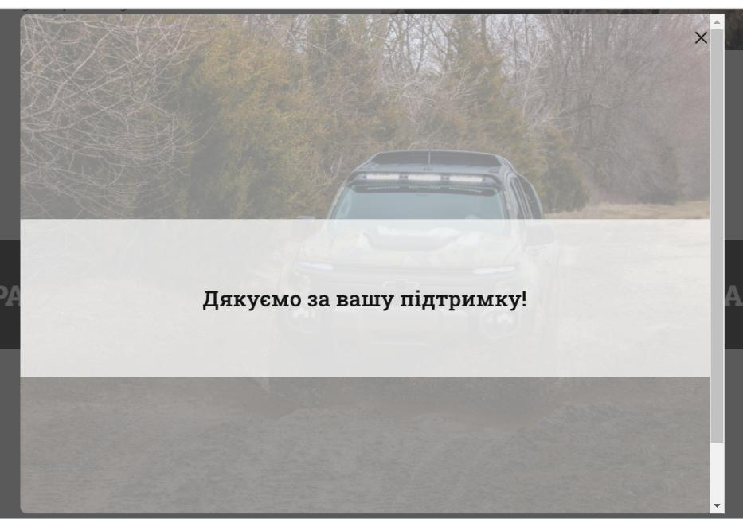
ID | #4
Reporter: | Laura | Assignee: | Stanislav Gusev | Status: | done
Type: | UI | Severity: | Minor | Priority: | Medium
Environment | Windows 11 Chrome 118.0.5993.118,
Summary: | There is a scroll bar arrow in the pop-up "Thanks for support"
Pre-conditions:
1 | Precondition: open the website https://baza-trainee.github.io/winter-vechicles-landing-page/
Steps to reproduce:
1 | Click on button ‘Help'
Actual result:
Pop-up "Thanks for support" has a scroll bar arrow

Expected result:
Pop-up "Thanks for support" doesn’t have a scroll bar arrow
Attachments:
link to layout https://www.figma.com/file/dBh4r5HZ4H0zFA37aTNpNY/winter-vechicles-project?type=design&node-id=0-1&mode=design&t=X1WMgqjmH0dhiUAd-0
Additional info: The bug is duplicated in Firefox 118.0.2 on Windows 11

14
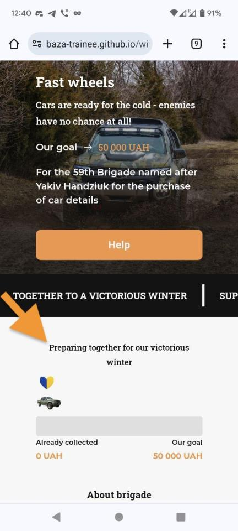
ID | #14
Reporter: | Anastasia Korzh | Assignee: | Stanislav Gusev | Status: | done
Type: | UI | Severity: | Minor | Priority: | low
Environment | Google Pixel 6 , Android 12, Firefox 118.0.1
Summary: | The font "preparing for our next victorious winter" does not match the layout on the mobile version
Pre-conditions:
1 | Precondition: open the website https://baza-trainee.github.io/winter-vechicles-landing-page/
Steps to reproduce:
1 | Note the text "Preparing together for our invincible winter".
Actual result:
he text is smaller than expected and does not match the layout
Expected result:
the size of the text corresponds to the layout and has the same size as the text about the team
Attachments:
link to layout https://www.figma.com/file/dBh4r5HZ4H0zFA37aTNpNY/winter-vechicles-project?type=design&node-id=0-1&mode=design&t=X1WMgqjmH0dhiUAd-0

15
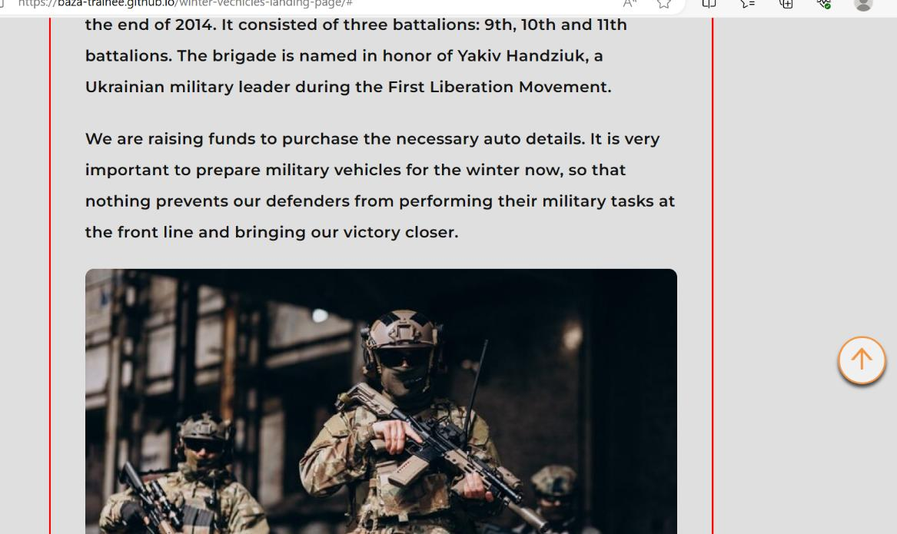
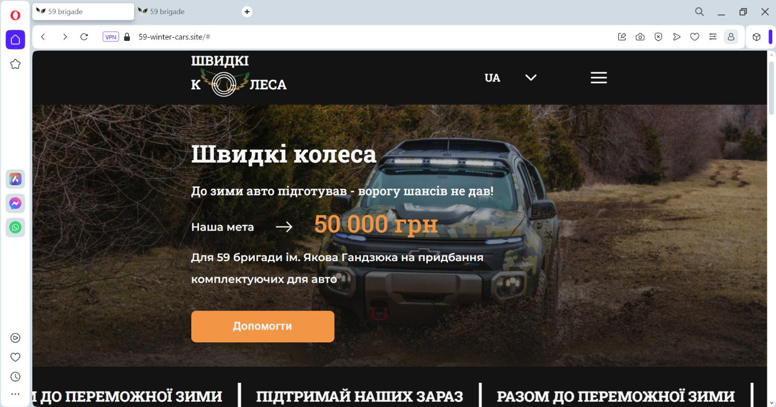
ID | #15
Reporter: | Laura | Assignee: | Stanislav Gusev | Status: | in progress
Type: | UI | Severity: | Minor | Priority: | low
Environment | Windows 11 Pro Edge 118.0.2088.46, Opera One 104.0.4944.33
Summary: | At 100% scale in the browser Edge/Opera does not match the layout
Pre-conditions:
1 | Precondition: open the website https://baza-trainee.github.io/winter-vechicles-landing-page/
Steps to reproduce:
1 | Scroll down to the section ‘About’ and ‘Why it is important’
Actual result:
Pictures have moved to another paragraph(line)
Expected result:
Pictures correspond according to layout
Attachments:
link to layout https://www.figma.com/file/dBh4r5HZ4H0zFA37aTNpNY/winter-vechicles-project?type=design&node-id=0-1&mode=design&t=X1WMgqjmH0dhiUAd-0

